Manual_API
API Manual Test document For Billable Hours Application

Test ID | Priority | Incident/Test Description | Test Tool | Test Input | Expected Result | ActualTest Result | Comment
1 |  | To Parse the csv invoice | Web | URL: https://csvdemomockappp.bundlewallet.com/ input file: | Successful upload of status code 200 | 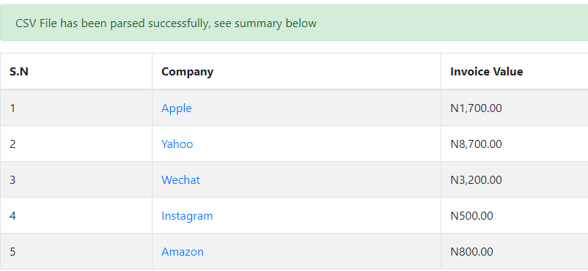 'Csv file has been parsed successfully"
 | High

2 | M | To Parse the CSV input | Postman | Endpoint: https://csvdemomockappp.bundlewallet.com/invoice/parse Request Type: POST Payload Type: Base64 of the CSV input file | { "timestamp": "2021-05-10T11:08:57.449+0000", "status": 200, "message": "Content type 'text/plain;charset=UTF-8' not supported", "path": "/invoice/parse" } | { "timestamp": "2021-05-10T11:08:57.449+0000", "status": 416, "error": "Unsupported Media Type", "message": "Content type 'text/plain;charset=UTF-8' not supported", "path": "/invoice/parse" } Response Time: 782ms
3 |  | Endpoint to get result for previously parsed input | Postman | Endpoint: https://csvdemomockappp.bundlewallet.com/invoice/b2820fde-c3dd-4131-8a72-d122c3ad2393 Request Type: GET | { "id": "b2820fde-c3dd-4131-8a72-d122c3ad2393", "companies": { "Apple": 1700.00, "Yahoo": 8700.00, "Wechat": 3200.00, "Instagram": 500.00, "Amazon": 800.00 } } | { "id": "b2820fde-c3dd-4131-8a72-d122c3ad2393", "companies": { "Apple": 1700.00, "Yahoo": 8700.00, "Wechat": 3200.00, "Instagram": 500.00, "Amazon": 800.00 } }

4 |  | Endpoint to get Invoice breakdown for a company in a returned result | Postman | Endpoint: https://csvdemomockappp.bundlewallet.com/invoice/b2820fde-c3dd-4131-8a72-d122c3ad2393/company?companyName=Amazon Request Type: GET | { "name": "Amazon", "lineItems": [ { "employeeId": "4", "ratePerHour": 200.00, "hoursWorked": 4 } ], "totalAmount": 800.00 } | { "name": "Amazon", "lineItems": [ { "employeeId": "4", "ratePerHour": 200.00, "hoursWorked": 4 } ], "totalAmount": 800.00 }

